Sheet1
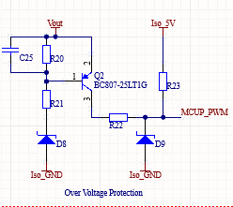
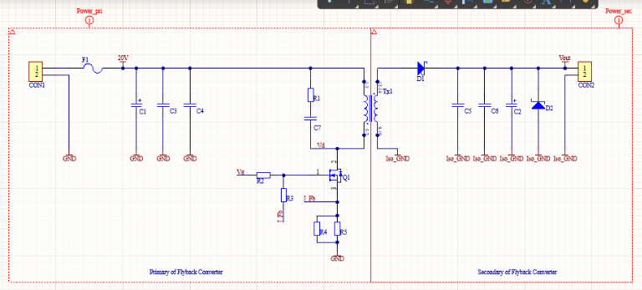
Protection
 |  |  |  |  |  |  |  | Model |  |  |  | Power | transformer
 |  |  |  |  | C25 | 1nF
 |  |  |  |  | R20 | 12k
 |  |  |  |  | R21 | 22k
 |  |  |  |  | R22 | 3.3k
 |  |  |  |  | D8 | 30V Zener |  | EDZV30b
 |  |  |  |  | D9 | 4.7V or 5.1V Zener |  | 1N750

 | Primary side |  |  |  |  |  |  |  |  |  |  |  |  |  | Secondary side
 | Decoupling Capacitors |  |  |  |  |  | Snubber |  |  | Transistor |  |  |  |  | Decoupling Capacitors |  | Schottky diode
 | C1 | 47uF |  |  |  |  | R1 | 22 |  | R2 | 15 |  |  |  | C2 | 47uF | D1 | 50-60V Schottky diode |  |  | Something that can handle reverse stress
 | C3 | 100n |  |  |  |  | C7 | 1000pF |  | R3 | Something high |  | This is just to discharge the capacitance of the transistor |  | C5 | 100n | D2 | 32-30V Zener diode
 | C4 | 56n - 82n |  |  |  |  |  |  |  | R4 | 1 |  |  |  | C6 | 56n - 82n
 |  |  |  |  |  |  |  |  |  | R5 | 1

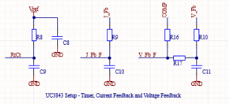
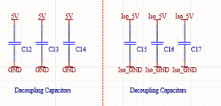
 | UC3843 Inputs |  |  |  |  |  |  |  |  |  |  |  |  | Decoupling for 5V source from Linear regulator
 |  |  |  |  |  |  |  |  |  |  |  |  |  |  |  |  | C12 | 100n | C15 | 100n
 |  |  |  |  |  | I_Fb_F | Is the thing that goes to the UC3843 |  |  |  |  |  |  |  |  |  | C13 | 100n | C16 | 100n
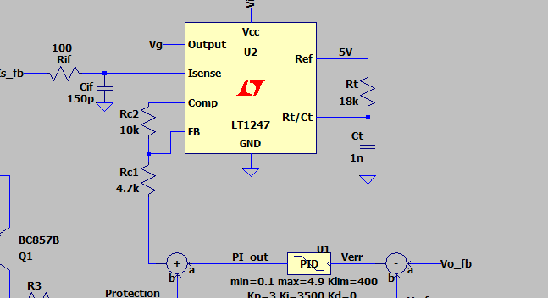
 |  |  |  |  |  |  |  |  |  |  |  |  |  |  |  |  | C14 | 100n | C17 | 100n

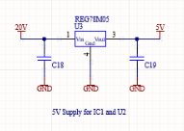
 |  |  |  |  |  |  |  |  |  |  |  |  |  | Linear Regulator
 | R8 | 18k | R9 | 100 |  | R16 | 10k |  |  |  |  |  |  |  |  |  | C18 | 0.33uF
 | C9 | 1n | C10 | 150pF |  | R17 | 4.7k |  |  |  |  |  |  |  |  |  | C19 | 0.1uF
 |  |  |  |  |  | R10 | ?? |  |  |  |  |  |  |  |  |  | Linear regulator: 78M05
 |  |  |  |  |  | C11 | ??

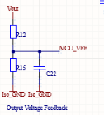
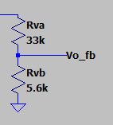
 |  |  |  |  |  | R10 and C11 are low pass filter, need to test different components to see if delay impacts the cutoff frequency much
 |  |  |  |  |  |  |  |  | For now I guess we can try 68nF and 3.3 ohms |  |  |  |  | Voltage feedback voltage divider
 |  |  |  |  |  |  |  |  |  |  |  |  |  |  |  |  |  | C1 just acts as filter to get rid of the ripple.
 |  |  |  |  |  |  |  |  |  |  |  |  |  |  |  |  |  | Vo_fb feeds to micro_controller

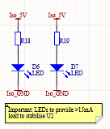
 | Stabilising LEDs
 |  |  |  | R18 and R19 must be specifically chosen to provide the LEDs about 10mA according to Duleepa

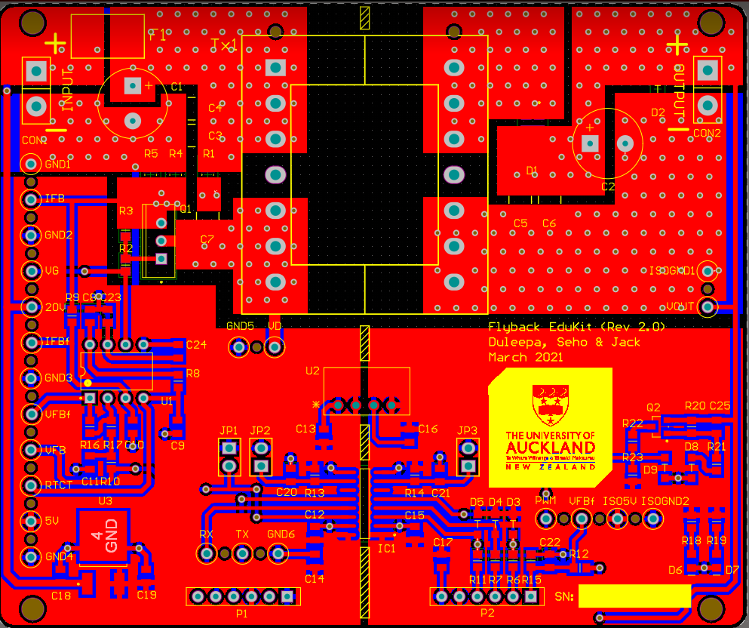

 |  |  |  |  |  |  |  |  |  | Enable Pins

 |  |  |  |  |  |  |  |  |  | Need to ask about the values needed
 |  |  |  |  |  |  |  |  |  | for these.

